SFE Cont
Scour Field Evaluation Continuation
Dates of Evaluation (Begin/Completion): | Lead Inspector: | Co-Inspector: | Bridge Number: | 0
0 | 0 | 0 | Bridge Name: | 0
 |  |  | Structure ID: | 0
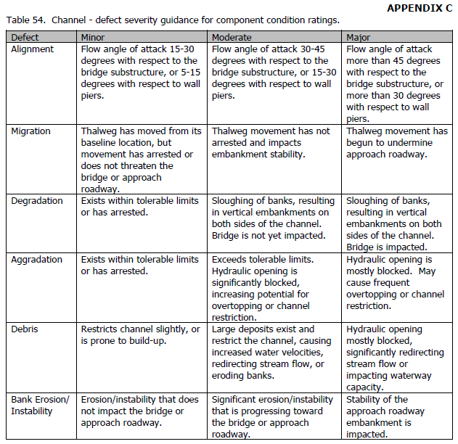 |  |  |  |  | Soundings Continued:
 |  |  |  |  | Location: | Measurement (ft)

